Sheet1
DEFECT REPORT
Project : Tradeweb Markets Tester Name : Sachin Nair Test Environment : Windows 11- Chrome Date : 11/08/2025
Bug Id | Module Name | Bug Title | Severity | Priority | Steps to reproduce | Expected Result | Actual Result | Status | Assigned to | Attachments
1 | Contact form - Home page | First and Last name fields on the ‘START THE CONVERSATION’ form accepts Special characters and Numbers. | major | medium | 1. open URL: https://samplepage.com/ 2. Enter numbers / alpha numeric characters / emojis on the First and Last Name fields 3. click submit | Input should not be considered valid and proper validation error message should be displayed. | Input is considered valid. | new | developer x | 
2 | Contact form - Home page | Email Address field on the ‘START THE CONVERSATION’ form accepts invalid format | major | medium | 1. open URL: https://samplepage.com/ 2. Enter an invalid input “test mail” on email address field 3. click submit | Input should not be considered valid and proper validation error message should be displayed. | Input is considered valid. | new | developer x | 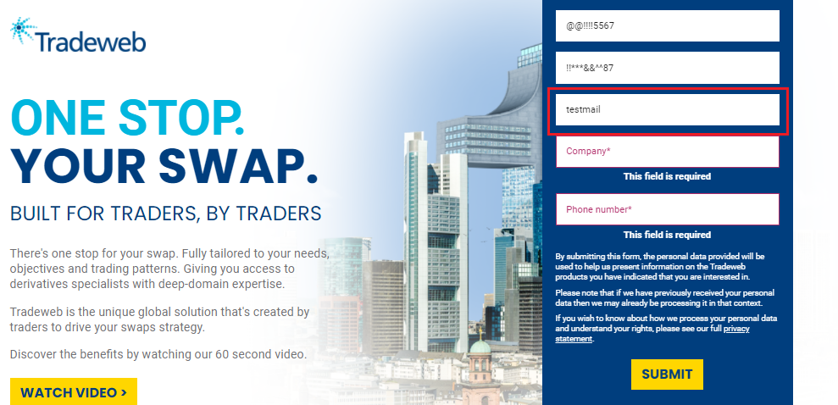
3 | Contact form - Home page | Company name field on the ‘START THE CONVERSATION’ form accepts Special characters and Numbers. | major | medium | 1. open URL: https://samplepage.com/ 2. Enter an invalid input “%%***677” on company name field 3. click submit | Input should not be considered valid and proper validation error message should be displayed. | Input is considered valid. | new | developer x | 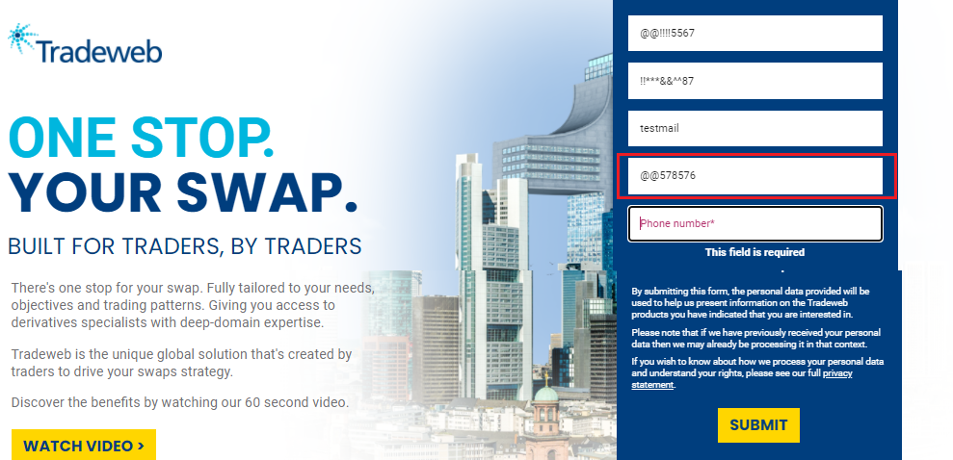
4 | Contact form - Home page | Phone number field on the ‘START THE CONVERSATION’ form accepts Special characters and alphabets. | major | medium | 1. open URL: https://samplepage.com/ 2. Enter an invalid input “%%***677” on phone number field 3. click submit | Input should not be considered valid and proper validation error message should be displayed. | Input is considered valid. | new | developer x | 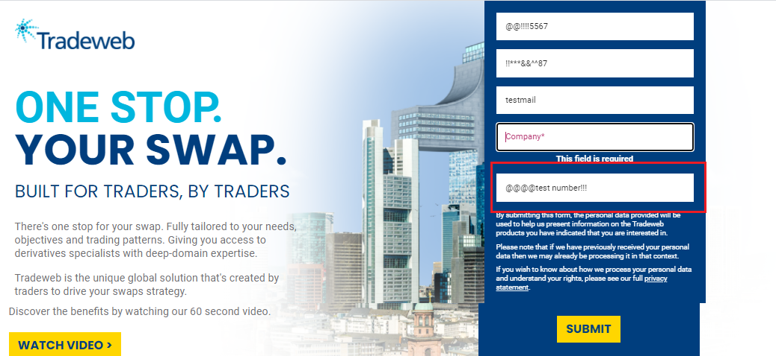
5 | Contact form - Home page | Submit Button hovering color on the ‘START THE CONVERSATION’ form mixes with same form background color | major | medium | 1. open URL: https://samplepage.com/ 2. Hover mouse pointer on ‘submit Button’. | The submit button hovering color should be set aside from form background color. | The submit button hovering color and form background color collided. | new | developer x | 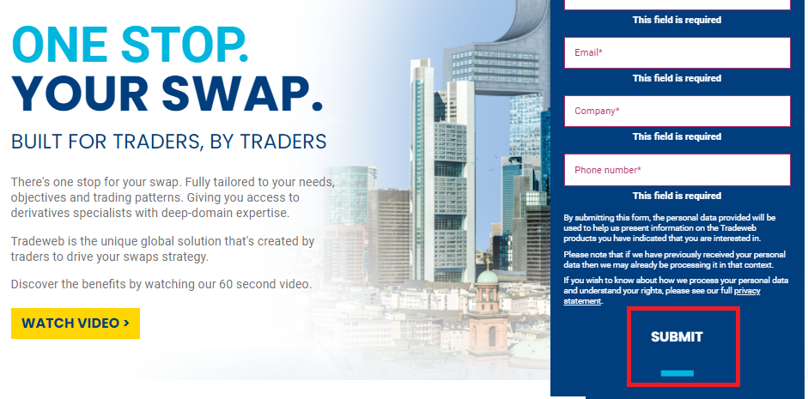
6 | Contact form - Home page | START THE CONVERSATION Button hovering color mixes with page background color | major | medium | 1. open URL: https://samplepage.com/ 2. Hover mouse pointer on ‘START THE CONVERSATION Button’. | The START THE CONVERSATION Button hovering color should be set aside from form background color. | The START THE CONVERSATION Button hovering color and page background color collided. | new | developer x | 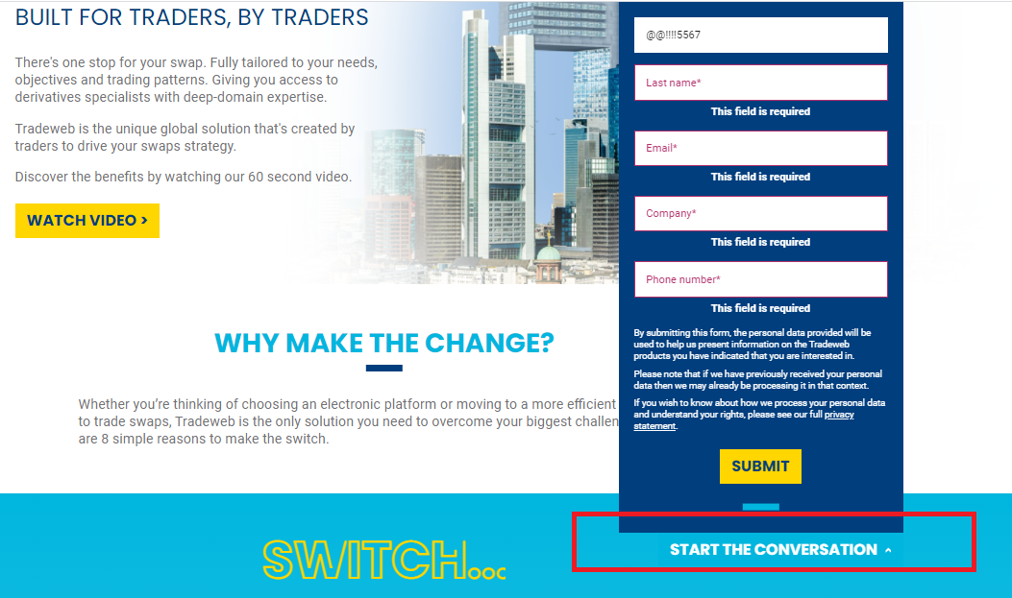
7 | Contact form - Home page | Confirmation message is not showing after submitting the ‘START THE CONVERSATION’ form. | major | medium | 1. open URL: https://samplepage.com/ 2. Enter inputs on all the fields of form 3.Click submit button. | A Confirmation/Thank you message should be displayed after form submission. | No confirmation message is displayed after clicking on submit button. | new | developer x
8 | Contact form - Home page | Link on the ‘privacy statement’ missing in the ‘START THE CONVERSATION’ form. | major | medium | 1. open URL: https://samplepage.com/ 2. Click on the ‘privacy statement’ word in ‘START THE CONVERSATION’ form. | The ‘privacy statement’ word should be linked to full privacy statement page. | Clicking on the ‘privacy statement’ is not taken to full privacy statement page of the site. | new | developer x
9 | Logo | Logo on the page is not linked to Home Page | Minor | medium | 1. open URL: https://samplepage.com/ 2. Click on the Logo in the Top of the page. | The Logo should be redirected to Homepage. | Logo is not redirecting to Homepage. | new | developer x
10 | Home page | The collapse (-) button on the EMERGING MARKETS CURRENCIES COVERED’ section is not working. | major | medium | 1. open URL: https://samplepage.com/ 2. Click on the (-) button on the EMERGING MARKETS CURRENCIES COVERED’ section. | The section should collapse on clicking (-) button. | Section remains in the expanded form and not collapsed back. | new | developer x | 
11 | Home page | The word ‘ARTICLES’ is misspelled on Latest Articles Title section. | major | medium | 1. open URL: https://samplepage.com/ 2. Scroll down to ‘Latest Articles section’ section.. | The word should be ‘ARTICLES’ | ARTICLES is misspelled as ATICLES | new | developer x | 
12 | Home page | Links on the Social media icons directs to open page in same tab | major | medium | 1. open URL: https://samplepage.com/ 2. Scroll down to footer section and click social media icons | The links on the social media icons should open in external tab. | Link on the icons directed to open page in same tab. | new | developer x
13 | Home page | The copyright year at the footer is not current year. | minor | medium | 1. open URL: https://samplepage.com/ 2. Scroll down to footer section and check copyright year | The copyright year given at the footer section is not updated to current year. | The copyright year is not updated to current year. | new | developer x
14 | Home page | Video on the page is not automatically playing on clicking ‘watch Video’ button. | minor | medium | 1. open URL: https://samplepage.com/ 2. Click on ‘watch Video’ button. | The video should start playing on clicking ‘Watch video’ button. | Video on the page is not automatically playing on clicking ‘watch Video’ button.
15 | Home page | The Meta title doesn’t mention website | minor | medium | 1. open URL: https://samplepage.com/ 2. Check tab name | The Meta title name should be site name | The tab name is different and not website name |  |  | 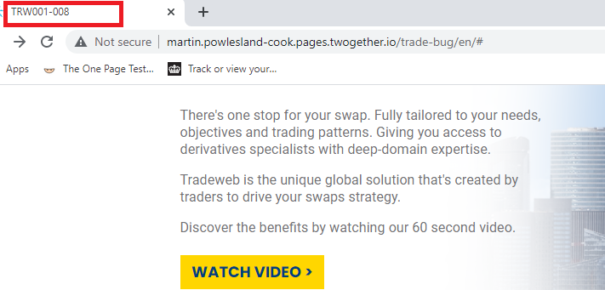
16 | Home page | The title of the articles on the page are not linked to corresponding article page. | Major | medium | 1. open URL: https://samplepage.com/ 2. Check the title of articles on the page | Clicking on titles should direct the page to article page. | The title of the articles is not linked to the article page.

